GUI CGI SPEC
Xmind
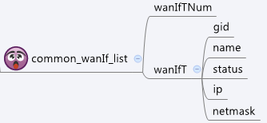

Behavior
# Limitations: Max wanIf Table Size = 6

[UI Display Name] | [CGI Name] | [JSON Name] | [Description]
N/A | common_wanIf_list.cgi | guiWanIfTNum | int
guiWanIfT:
N/A | common_wanIf_list.cgi | guiWanIfT.gid | int, unique id of zone object
N/A | common_wanIf_list.cgi | guiWanIfT.name | All viewable ASCII code except (whitespace) ‘ ` “ % ?
N/A | common_wanIf_list.cgi | guiWanIfT.status | 0: down, 1: up
N/A | common_wanIf_list.cgi | guiWanIfT.ip | IPv4 address
N/A | common_wanIf_list.cgi | guiWanIfT.netmask | IPv4 netmask

JSON String
common_wanIf_list.cgi
## GET for get previous settings ##
{
"guiWanIfTNum":2, "guiWanIfT":[{"gid":9000, "name":"WAN1", "status":1, "ip":"9.9.9.9", "netmask":"255.0.0.0"}, {"gid":9001, "name":"WAN2", "status":1, "ip":"10.10.10.10", "netmask":"255.0.0.0"}]
}
## NO POST Method

